Problem
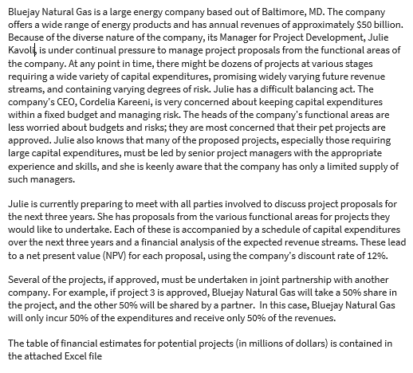

Project Model
Bluejay Natural Gas Financials (in millions)
Given:
 | Project Index | Functional Area | Partnership % | Capex Year 1 | Capex Year 2 | Capex Year 3 | NPV |  |  |  |  | Inputs
 | 1 | FA 1 | 100% | $250 | $100 | $100 | 60 |  |  |  |  | Annual Revenue (millions) | $50,000
Insert Discount Rate Reduction
Here.
 | 2 | FA 1 | 33% | $500 | $300 | $300 | 180 |  |  |  |  | Expenditure (millions) | $10,000
 | 3 | FA 1 | 50% | $100 | $200 | $400 | 80 |  |  |  |  | Yearly Cap (millions) | $4,000
 | 4 | FA 1 | 100% | $750 | $500 | $300 | 310 |  |  |  |  | NPV Discount Rate % decrease: | 12%
 | 5 | FA 1 | 75% | $200 | $400 | $800 | 220
 | 6 | FA 2 | 50% | $1,000 | $300 | $300 | 180 |  |  |  |  | Requirement Checks
 | 7 | FA 2 | 100% | $750 | $750 | $300 | 410 |  |  |  |  | Capital Ex. Under 4000 (Y1) | 1
 | 8 | FA 2 | 100% | $800 | $700 | $600 | 280 |  |  |  |  | Capital Ex. under 4000 (Y2) | 1
Insert 0 or 1 here:
 | 9 | FA 2 | 67% | $400 | $600 | $800 | 380 |  |  |  |  | Capital Ex. under 4000 (Y3) | 1
 | 10 | FA 3 | 100% | $100 | $200 | $400 | 100 |  |  |  |  | Under $10,000 (year 1-3) | 1
 | 11 | FA 3 | 50% | $700 | $500 | $300 | 260 |  |  |  |  | Each FA has at least 1 project approved | 1 | Each FA has at least 1 project approved
 | 12 | FA 3 | 100% | $1,500 | $400 | $400 | 340 |  |  |  |  | Number of Approved Project for FA 1 | 2 | >= | 1
 |  |  |  |  |  |  |  |  |  |  |  | Number of Approved Project for FA 2 | 4 | >= | 1
 |  |  | Adjusted based on % Partnership: |  |  |  |  |  |  |  |  | Number of Approved Project for FA 3 | 2 | >= | 1
Project Index | Functional Area | Partnership % | Cap Ex. Yr1 | Cap Ex. Yr2 | Cap Ex. Yr3 | Total Cost | NPV | New NPV | ROI | Approval Rating | Manager: | Total Number of Approved Projects | 8 | >= | 1
1 | FA 1 | 100% | $250 | $100 | $100 | $450 | $60 | $53 |  | 0 | #N/A
2 | FA 1 | 33% | $165 | $99 | $99 | $363 | $180 | $158 | 14% | 1 | 8 | Are the Conditions Met? | 1
3 | FA 1 | 50% | $50 | $100 | $200 | $350 | $80 | $70 |  | 0 | #N/A
4 | FA 1 | 100% | $750 | $500 | $300 | $1,550 | $310 | $273 | 18% | 1 | 7
5 | FA 1 | 75% | $150 | $300 | $600 | $1,050 | $220 | $194 |  | 0 | #N/A
 |  | FA 1 Approved Totals: | $915 | $599 | $399 | $1,913 |  |  |  |  |  |  |  | Approved Cap Ex. Year Totals
 |  |  |  |  |  |  |  |  |  |  |  |  |  | Year 1 | Year 2 | Year 3
6 | FA 2 | 50% | $500 | $150 | $150 | $800 | $180 | $158 | 10% | 1 | 6 | Functional Area: | FA 1 | $915 | $599 | $399
7 | FA 2 | 100% | $750 | $750 | $300 | $1,800 | $410 | $361 | 20% | 1 | 5 |  | FA 2 | $2,318 | $2,002 | $1,586
8 | FA 2 | 100% | $800 | $700 | $600 | $2,100 | $280 | $246 | 12% | 1 | 4 |  | FA 3 | $450 | $450 | $550
9 | FA 2 | 67% | $268 | $402 | $536 | $1,206 | $380 | $334 | 19% | 1 | 3
 |  | FA 2 Approved Totals: | $2,318 | $2,002 | $1,586 | $5,906

10 | FA 3 | 100% | $100 | $200 | $400 | $700 | $100 | $88 | 13% | 1 | 2
11 | FA 3 | 50% | $350 | $250 | $150 | $750 | $260 | $229 | 15% | 1 | 1
12 | FA 3 | 100% | $1,500 | $400 | $400 | $2,300 | $340 | $299 |  | 0 | #N/A
 |  | FA 3 Approved Totals: | $450 | $450 | $550 | $1,450

 |  |  | Cap Ex. Yr1 | Cap Ex. Yr2 | Cap Ex. Yr3 | Total Cost |  | Total Approved NPV:
 |  | Overall Totals for Approved Projects: | $3,683 | $3,051 | $2,535 | $9,269 |  | $1,848 | <---use as objective for first question
 |  |  | <= | <= | <= | <=
 |  |  | 4000 | 4000 | 4000 | 10000

 |  |  |  | ROI
 |  |  | % Change | Average | Minimum | Maximum
 |  |  |  | 15% | 10% | 20%
 |  |  | 0% | 17% | 11% | 23%
 |  |  | 5% | 16% | 11% | 22%
 |  |  | 10% | 15% | 10% | 21%
 |  |  | 15% | 14% | 10% | 19%
 |  |  | 20% | 14% | 9% | 18%
 |  |  | 25% | 13% | 8% | 17%
 |  |  | 30% | 12% | 8% | 16%

Qualified Managers:
 | Manager
 |  | 1 | 2 | 3 | 4 | 5 | 6 | 7 | 8
Project | 1 | 1 | 1 | 1 | 1 | 1 | 0 | 0 | 0
 | 2 | 1 | 1 | 1 | 1 | 0 | 1 | 0 | 1
 | 3 | 1 | 0 | 0 | 1 | 1 | 1 | 0 | 1
 | 4 | 0 | 1 | 0 | 0 | 1 | 1 | 1 | 1
 | 5 | 1 | 1 | 1 | 1 | 1 | 1 | 1 | 0
 | 6 | 1 | 1 | 1 | 1 | 1 | 1 | 1 | 1
 | 7 | 1 | 1 | 1 | 1 | 1 | 1 | 0 | 1
 | 8 | 1 | 1 | 1 | 1 | 0 | 1 | 1 | 0
 | 9 | 1 | 1 | 1 | 1 | 0 | 0 | 0 | 1
 | 10 | 1 | 1 | 1 | 1 | 0 | 1 | 1 | 1
 | 11 | 1 | 1 | 1 | 1 | 1 | 1 | 0 | 1
 | 12 | 0 | 0 | 0 | 1 | 1 | 0 | 1 | 1

 | Manager
 |  | 1 | 2 | 3 | 4 | 5 | 6 | 7 | 8 | Totals: |  | Approved?
Project | 1 | 0 | 0 | 0 | 0 | 0 | 0 | 0 | 0 | 0 | <= | 0 | ='Project Model'!K19
 | 2 | 0 | 0 | 0 | 0 | 0 | 0 | 0 | 1 | 1 | <= | 1 | ='Project Model'!K20
 | 3 | 0 | 0 | 0 | 0 | 0 | 0 | 0 | 0 | 0 | <= | 0 | ='Project Model'!K21
 | 4 | 0 | 0 | 0 | 0 | 0 | 0 | 1 | 0 | 1 | <= | 1 | ='Project Model'!K22
 | 5 | 0 | 0 | 0 | 0 | 0 | 0 | 0 | 0 | 0 | <= | 0 | ='Project Model'!K23
 | 6 | 0 | 0 | 0 | 0 | 0 | 1 | 0 | 0 | 1 | <= | 1 | ='Project Model'!K26
 | 7 | 0 | 0 | 0 | 0 | 1 | 0 | 0 | 0 | 1 | <= | 1 | ='Project Model'!K27
 | 8 | 0 | 0 | 0 | 1 | 0 | 0 | 0 | 0 | 1 | <= | 1 | ='Project Model'!K28
 | 9 | 0 | 0 | 1 | 0 | 0 | 0 | 0 | 0 | 1 | <= | 1 | ='Project Model'!K29
 | 10 | 0 | 1 | 0 | 0 | 0 | 0 | 0 | 0 | 1 | <= | 1 | ='Project Model'!K32
 | 11 | 1 | 0 | 0 | 0 | 0 | 0 | 0 | 0 | 1 | <= | 1 | ='Project Model'!K33
 | 12 | 0 | 0 | 0 | 0 | 0 | 0 | 0 | 0 | 0 | <= | 0 | ='Project Model'!K34
 | Totals: | 1 | 1 | 1 | 1 | 1 | 1 | 1 | 1
 |  | = | = | = | = | = | = | = | =
 |  | 1 | 1 | 1 | 1 | 1 | 1 | 1 | 1

 | Objective (max)
 | Allowed Assignments: | 8 | <-- use as objective for second question

Solution Summary
Without the restriction of assigning qualified managers, based on this spreadsheet, solver looks like this: | With the addition of assigning managers, based on this spreadsheet, solver looks like this:
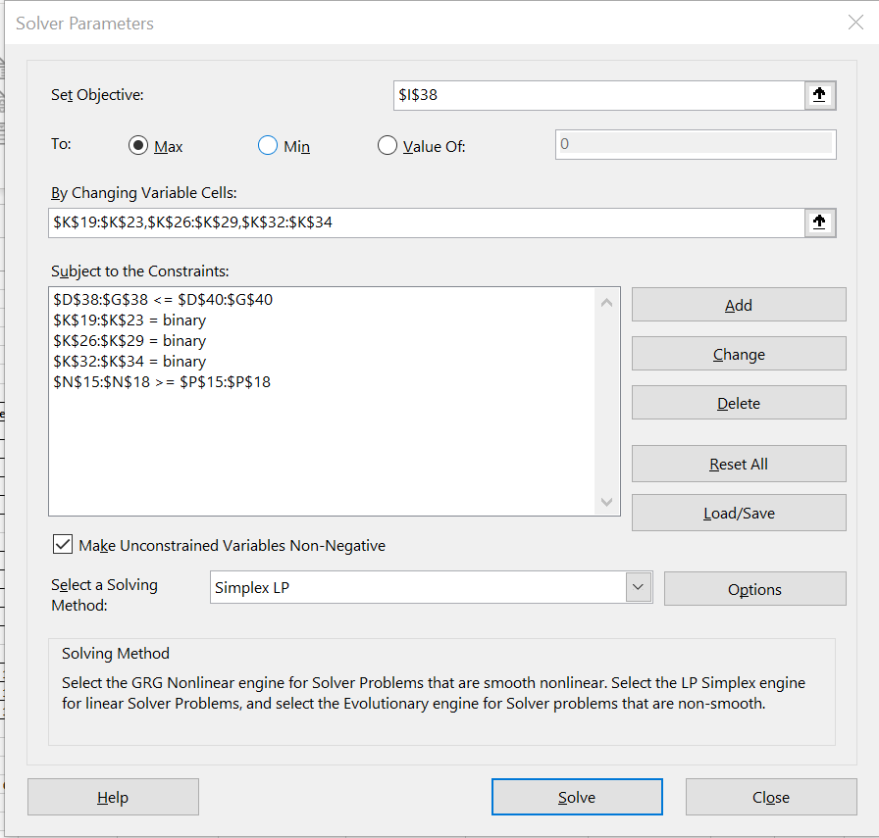
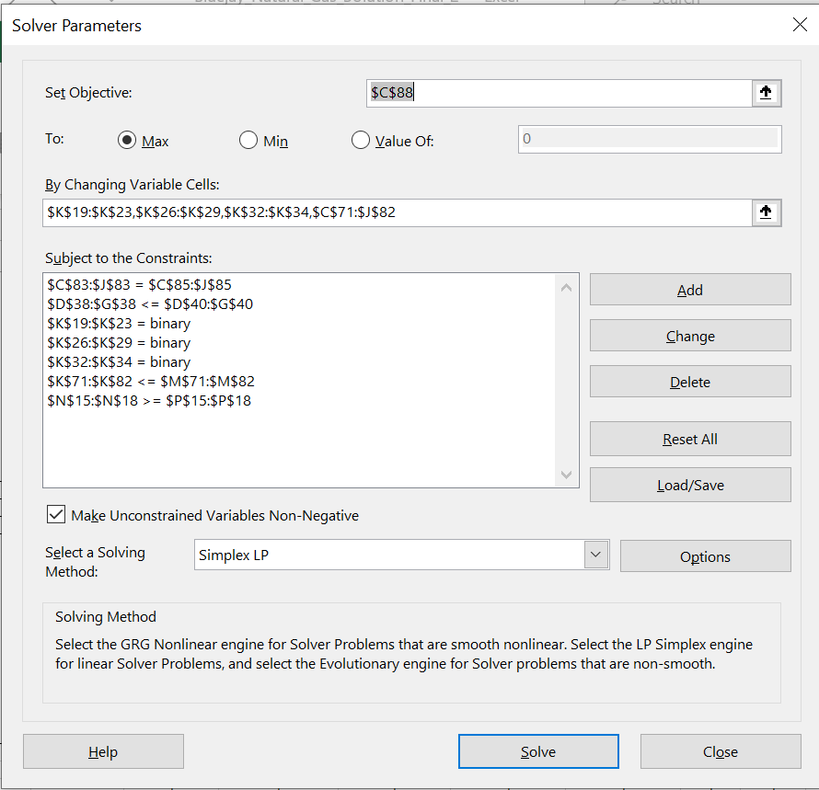

To give a maximum NPV of $2024 with all projects approved except 1, 10, and 12. | This gives a maximum NPV of $1848 meeting all constraints for all approved projects except 1, 3 and 12.
 | The manager assignment is given in L19 - L34 for each approved project.
 | Notice the change of the objective cell for this example!

Approved Line Charts
Capital Expenditure for all Functional Area Approved Projects Y1-Y3
 | FA 1 | FA 2 | FA 3
Year 1 | $915 | $2,318 | $450
Year 2 | $599 | $2,002 | $450
Year 3 | $399 | $1,586 | $550
Capital Expenditure for FA 1 Approved Projects Y1-Y3
 | FA 1
Year 1 | $915
Year 2 | $599
Year 3 | $399

Capital Expenditure for FA 2 Approved Projects Y1-Y3
 | FA 2
Year 1 | $2,318
Year 2 | $2,002
Year 3 | $1,586
Capital Expenditure for FA 3 Approved Projects Y1 - Y3
 | FA 3
Year 1 | $450
Year 2 | $450
Year 3 | $550

